Sheet1
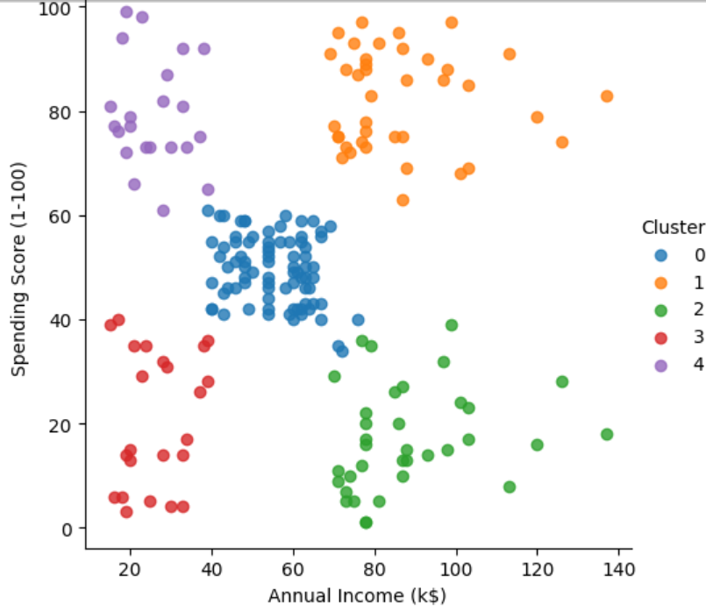
Cluster | Inference | Possible Action
0 | Medium Income - Medium Spending Group | Some promotion is required to make them spend more
1 | High Income - High Spending Group | No specific action needed, they tend to spend
2 | High Income - Low Spending Group | Difficult customers, without concrete returns, they don't spend
3 | Low Income - Low Spending Group | Difficult customers, even if they want, they have no money to spend.
4 | Low Income - High Spending group | No specific action needed, they tend to spend

